Notes-1
Name | Dexamethasone in Hospitalized Patients with Covid-19
Producer | The RECOVERY Collaborative Group (NEJM)
Reporting Period | Not stated (March 2020 report)
Link | https://www.nejm.org/doi/10.1056/NEJMoa2021436?
Tab | Figure 2

Each row represents the mortality percentage among patients group in either treatment arm.
Column | Description
day | The number of days after randomisation (0 to 28).
patient_type | Subgroup of patients, including all participants.
dexamethasone | Cumulative mortality rate for dexamethasone-receiving patients.
usual_care | Cumulative mortality rate for usual care-receiving patients.
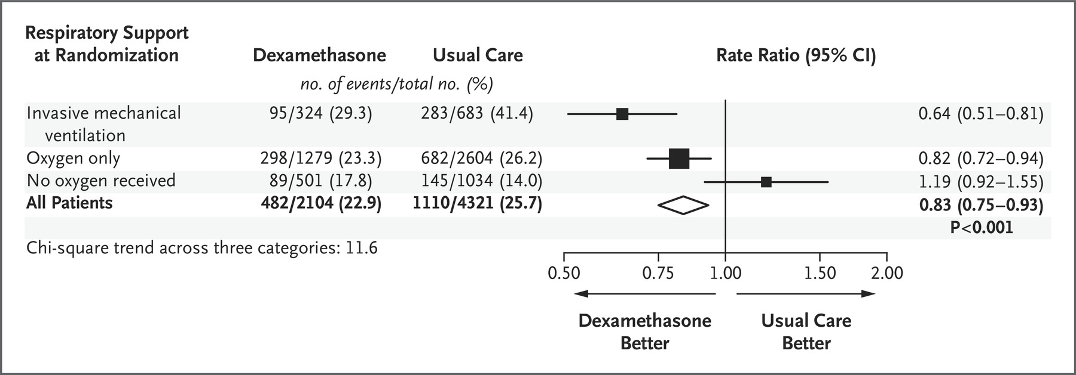
This is a graphical reconstruction using WebPlotDigitizer.
The values are scaled to match Figure 3 in the NEJM article.
https://apps.automeris.io/wpd/

